1. Title Page
InstaCart

Project Name: InstaCart
Date: November 2023
Analyst Name: Michael Higgins

Contents:
Population Flow
Consistency checks
Wrangling steps
Column derivations
Recommendations

2. Population Flow
Title page

Population flow

Exclusion flag
Condition: max_order < 5
Obervations to be removed: 1,440,295
Final total count of order_products_all: 30,964,564

Orders_products_combined
Orders_products_merged
Orders_products_all

Total: 32,434,489
Total: 32,404,859
Total: 32,404,859

1.) The grey boxes in the first row of the population flow represent the original data sets as they were when you downloaded them. In the Total fields you need to add the count of the rows when you imported the data set into Jupyter.
2.) The second row of boxes (coloured) represents the data sets after you manipulated them, e.g., removed missing values and duplicates. In the Total fields you need to add the count of the rows after conducting these operations. This offers a visual oveview of how the data flows throughout the data consistency checks.
3.) The third row, where also the arrows are coloured, represents the merges you performed between the datasets. In the Total fields you need to add the count of the rows in the merged datasets, so that you end up with the final dataset (in the red box). Keep in mind the final dataset should be without exclusions (based on the exclusion flag).

3. Consistency checks
 |  |  |  | Title page
Consistency checks

Dataset | Missing values | Missing values treatment | Duplicates
orders | 16 NULL values found in prooduct_name column | Rows with NULL values were removed | 5 duplicate rows found. Duplicates removed
products | 206,209 NULL values in days_since_prior_order column | Keep NULL values. Create new column to flag user's first order | No duplicates
orders_products_prior
customers | No missing values |  | No duplicates
states/regions | No missing values |  | No duplicates
departments | No missing values |  | No duplicates

4. Wrangling steps
 |  |  |  | Title page
Wrangling steps

Columns dropped | Columns renamed | Columns' type changed | Comment/Reason
 | order_dow' to 'orders_day_of_week' |  | Improve clarity
 |  | 'order_id' datatype changed from int64 to object | Order_id is not a quantity, avoid performing calculations on this column
 |  | 'user_id' datatype changed from int64 to object | Order_id is not a quantity, avoid performing calculations on this column
'eval_set' |  |  | Data not relevant to analysis
Transposed df_dep to df_dep_t_new and added new header |  |  | Change department data into long format for better parsing

5. Column derivations
 |  |  |  | Title page

Column derivations and aggregations

In this tab you should add tables below that the frequences of flags/label variables that you produced after deriving them. NB: don't do this for continuous variables, only for flags.
Dataset | New column | Column/s it was derived from | Conditions
df_ords_prods_merged_updated | busiest_period_of_day | order_hour_of_day | If order_hour_of_day of day is: 1-5 then fewest orders 9 to 16 then Most orders otherwise then Average orders
df_ords_prods_merged_updated | busiest_days | orders_day_of_week | If orders_day_of_week is: 0-1 then Busiest day 3-4 then Least busy days otherwise Regular busy days
df_ords_prods_merged_updated | max_order | order_number, user_id | States the maximum number of orders made by the user_id
df_ords_prods_merged_updated | price_range_loc | prices | If the column prices is 0-5 then 'Low-range product' 6 -15 then 'Mid-range product' > 15 then 'High-range product'
df_ords_prods_merged_updated | loyalty_flag | max_order | If max order is: 0-1 = 'New customer' 11-40 = 'Estabished customer' >40 = 'Loyal customer'
df_ords_prods_merged_updated | mean_spend | prices | If average of prics for user's purchases are: 0-9 = Low spender 10+ = High spender
df_ords_prods_merged_updated | order_frequency | days_since_last_order | median of 'days_since_last_order' for each user_id
df_ords_prods_merged_updated | order_frequency_flag | order_frequency | If order frequency is: 0-10 then Frequent customer 11-20 then Regular customer >20 then non-frequent custoemr
orders_products_merged | price_range | price | If price is under 5, value is low-range product If price is between 5 and 15, value is mid-range product If price is greater than 15, price is high-range product
orders_products_merged | age_bracket | customer_age | Customers assigned into three groups of equal size based on age
orders_products_merged | income_bracket | customer_income | Customers assigned into three groups of equal size based on income
orders_products_merged | Region | STATE | Northeast = ['Maine', 'New Hampshire', 'Vermont', 'Massachusetts', 'Rhode Island', 'Connecticut', 'New York', 'Pennsylvania', 'New Jersey'] Midwest = ['Wisconsin', 'Michigan', 'Illinois', 'Indiana', 'Ohio', 'North Dakota', 'South Dakota', 'Nebraska', 'Kansas', 'Minnesota', 'Iowa', 'Missouri'] South = ['Delaware', 'Maryland', 'District of Columbia', 'Virginia', 'West Virginia', 'North Carolina', 'South Carolina', 'Georgia', 'Florida', 'Kentucky', 'Tennessee', 'Mississippi', 'Alabama', 'Oklahoma', 'Texas', 'Arkansas', 'Louisiana'] West = ['Idaho', 'Montana', 'Wyoming', 'Nevada', 'Utah', 'Colorado', 'Arizona', 'New Mexico', 'Alaska', 'Washington', 'Oregon', 'California', 'Hawaii']
orders_products_merged | dep_bracket | customer_dependants | customers grouped into no dependants, single dependant and multiplpe dependants catagories
orders_products_merged | activity_flag | order_number | if number of orders is >=5 custoemr has high_activity, otherwise low_activity

7. Recommendations
 |  |  |  |  |  | Title page

Recommendations

Question |  | Answer |  | Visualisations
What are the busiest days of the week and hours of the day? | Analysis | Sales peak on Saturday and are at their lowest on Wednesday. The sales follow a consistent trend where the Saturday peak slowly falls until midweek, where it begins to rise again. Weekend sale have a significantly larger volume of sales than the weekday sales. Peak sales on Saturday and Sunday are (approximatly) 600,000 and 550,000 respectively. The next highest is Friday with 420,000 purchases. The gap of 130,000 sales between Sunday (2nd) and Friday (3rd) is larger than the 70,000 sales gap between Friday (3rd) and Wednesday (7th/last). Noting a significant uptick in sales over the weekend. In terms of time the largest number of purchases are made onbetween 09:00 and 16:00. There is a sharp drop off in sales volume after 16:00. |  | 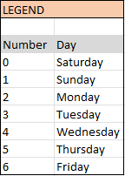 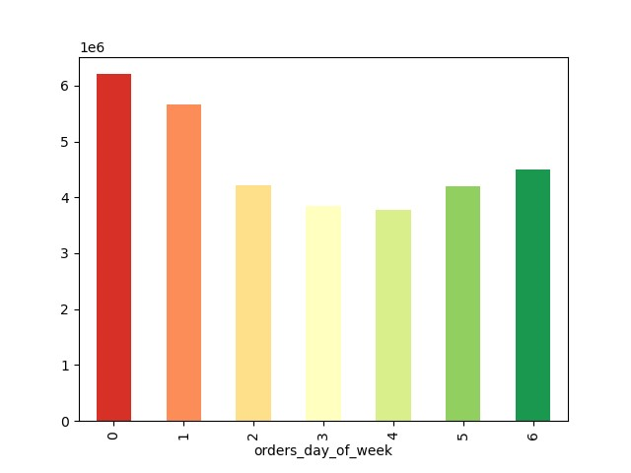 TOTAL ORDERS BY DAY OF WEEK | 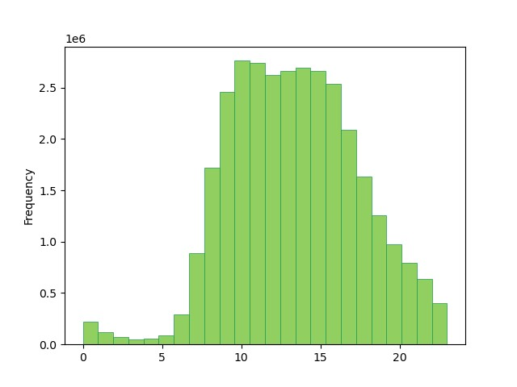 TOTAL ORDERS BY HOUR OF THE DAY
 | Action | Prioritise directed advertising on weekends by emailing customers on Friday afternoon/evenings and on Satudays with proimotional materials. People are more likely to make purchases on these days.If they routinely make weelky purchases there is greater chance of encouraging an impulse buy if they are already making orders on these days.
What hours of the day do people spend the most money? | Analysis | The hourly expedature graph shows that the average price of sales in highest between 02:00 and 04:00, peaking at $18. Sales are a consistent £12 at other times. This suggests there is a greater demand for expensive items at these times, most likely to be urgently needed items due to the time and price of sales. |  | 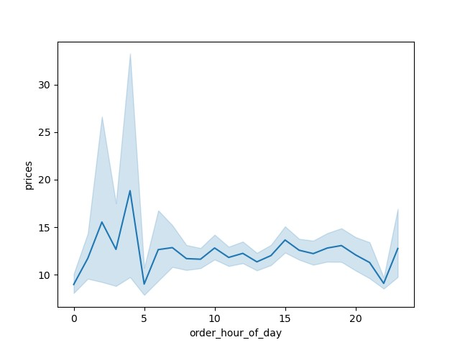 AVERAGE ITEM COST BY HOUR BY PURCHASE HOUR
 | Action | On the sales portals (webste and app) give precidence to high value items from 02:00 to 04:00. Ensure that these items are the main focus of the homepage when customers log in. Coupled with the previous insight that there are fewest purchases during these hours it indicates that these hours are used by customers focusing on the high priced hours, and all focus during these hours should be in the more exensive items.
What are some simpler price range groupings to help direct marketing and sales efforts? | Analysis | Products in the $0 - $5 range are the most common (these are designated Low-range products), with over 2 million products at each price point in this range. But, due to the wider range of Mid-range products (£5 - £15) these have a greater total volume (25 million compared to 11 million). There is a significant drop off in available items in the High-range bracket, with fewer than 1 million items total of these types. |  | TOTAL AVAILABLE PRODUCTS BY PRICE POINT | 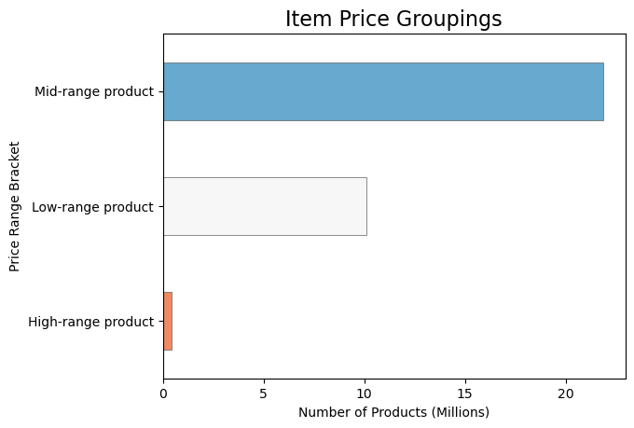 TOTAL AVAILABLE PRODUCTS BY PRICING BRACKET
 | Action | With the average purchase price being $11 for most hours of the day (see previous poiint), and the majority of items being near this mean purchase price Instacart appears to have a good grasp on the types of items that customers are buying. This is further corroborated by the low volume of High-range items. | 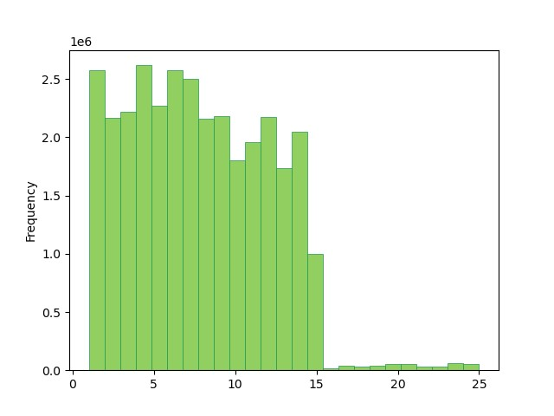
What types of products are most popular? How much income in generated by the most popular departments? | Analysis | The Produce (9 500 000, 30%) and Dairy-Eggs (500 000, 17%) departments have the highest sales volumes and the greatest total income generated. Ther other top sales departments by income are Beverages (non-alcoholic), Frozen Foods, and Pantry. The most popular department selling non-prishable items is Canned Goods, which is 8th of 21 departments Large difference between the Produce and Dairy-Eggs sales compared to other departments suggests that customers are using Instacrt to purchase their staple food items. Which coupled with the high volume of sales income generated by Beverages, Frozen foods and Pantry items strengthens this insight. |  | 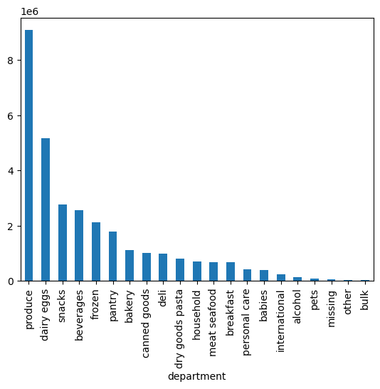 TOTAL SALES MADE BY DEPARTMENTS | 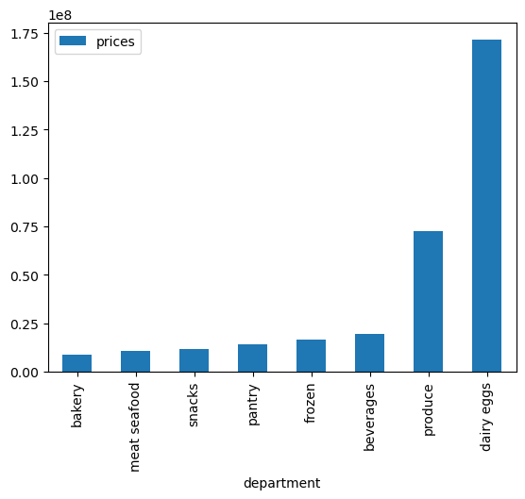 GROSS INCOME IN THE TOP SELLING DEPARTMENTS
 | Action | Instacart's advertising and stock should focus on the staple food and perishable food items that customers are focusing their purchases on. Instacart could increase the sales of these items by allowing customers to opt for a recurring delivery of these staple items to encourage more purchases (as they are perishables that people will restock on a likely weekly basis). Therefore, Instacart will likely prevent customers from going elsewhere for these most popular items if they run out of them at home.
What’s the distribution among users in regards to their brand loyalty? How often do they return to Instacart? | Analysis | The majority of customers fall in the 'Regular Customer' band for loyalty (10 - 40 orders made) with 80,000 customers. Looking at the normailised customer order frequency the majority of regular customers (60%) order from Instacart frequently (averaging an order every 10 days of fewer), whereas all Loyal customers are also frequent customers. When comparing the reguarity of spending by New Customers and the Regular (established) Customers the difference is that New Customers are mainly Non-Frequent customers (50%). |  | 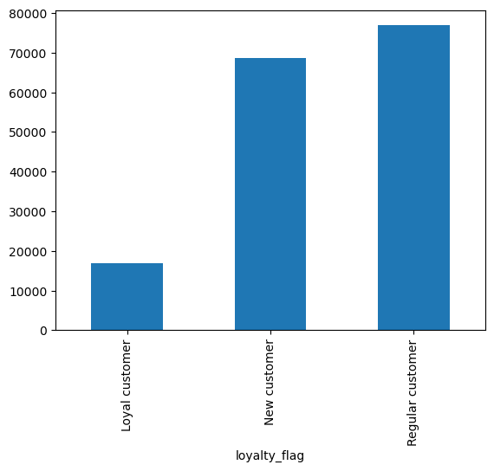 NUMBER OF CUSTOMERS BY LOYALTY RATING | 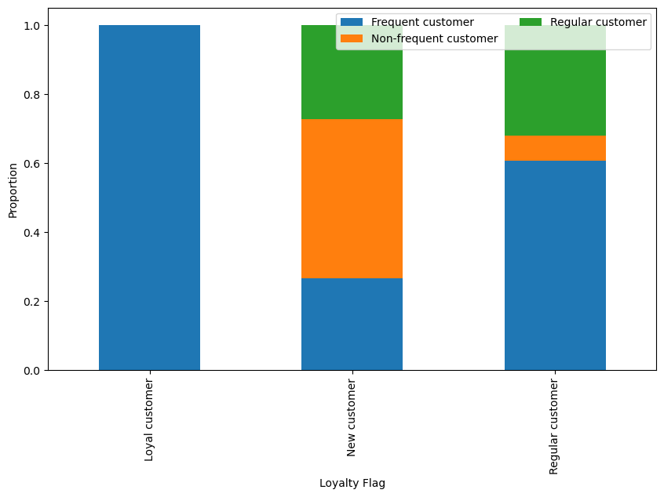 NORMAILSED BREAKDOWN OF THE REGULARITY OF USE BY CUSTOMER LOYALTY CATEGORY
 | Action | Encourage the New Customers (totaling over 6 million) to become Regular Customers by giving insentive to order more frequently. Introduction of schemes such as: - Easy recurring delivery slots of common staple items - Introduction of loyalty rewards - Reduciton on delivery costs for regular use
Are there differences in ordering habits based on a customer's region? | Analysis | The number fo customers is greatest in the South (total 54,000 customers) of which 3.5 million are high spenders (averaging $10 or more per spend). But, when looking at the type of spending (high or low spending habits) by region there is no discernable difference between the four geographic regions. Furthermore, the spending habits, in terms of proporiton of orders made by departments is equal across all regions. However, instacart has lowest penetration in the Northeast (0.022% of population have an account). and highest in the South (0.095% population penetration). |  | 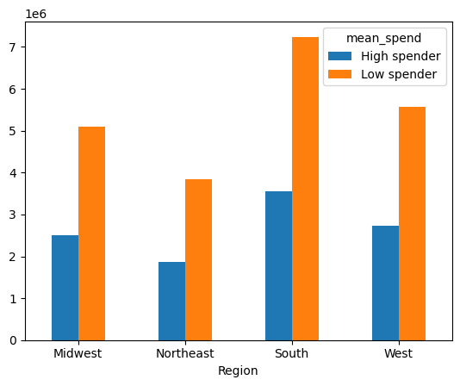 CUSTOMER SPENDING BY REGION | 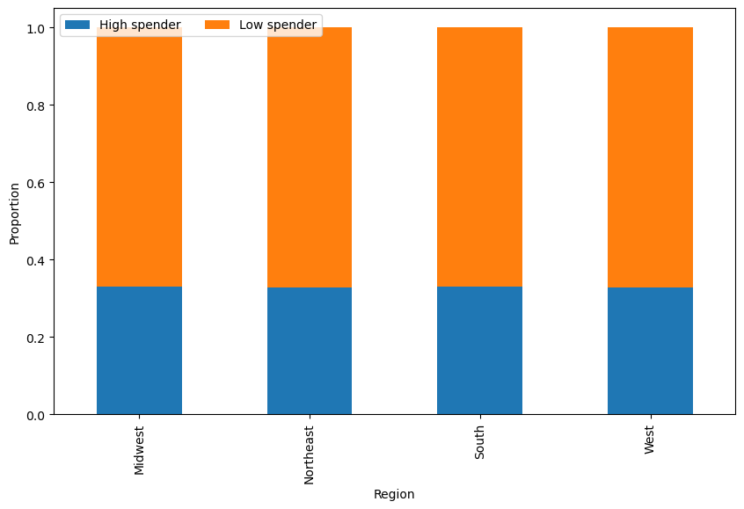 NORMALISED CUSTOMER SPENDING BY REGION
 | Action | Region does not make a difference to spending habits. Therefore, Instacart should aim to understand its low marketshare in the Northeast, as this region has the potential for generating greater profits by increasing the customer base. Several reasons could exist: - Higher competition due to largest population - Higher population density means less need for delivery services - Social and ethnicity demographic differences mean that Instacart is not providing the products this region purchases. The outcome of these further investigations (that cannot be determined with the data available in these analyses) will determine the strategy for national expansion of Instacart's services. |  | 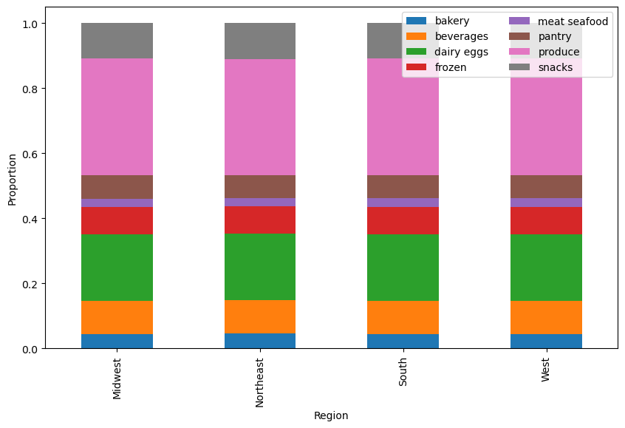 NORMAILSED SPENDING HABITS BY REGION

